GREET1 Results
Go
Go
Go
Go
Go
Go
 | WTW Results Menu |  | Select a vehicle type from a pink drop down menu, then press "Go"
 | SI ICE Vehicles |  |  |  | SI Hybrid Vehicles (HEV) |  |  |  |  | SI Plug-in Hybrids (PHEV) |  |  |  |  |  |  | Per Vehicle Distnace Travelled |  |  |  |  |  |  | Per Energy in Fuels
 | Select Fuels |  |  |  | Select Fuels |  |  |  |  | Select Fuels |  |  |  |  |  |  | Energy Unit | Btu | mBtu | J | kJ | MJ |  | Energy Unit | Btu | mBtu | J | kJ | MJ
Go
Go
Go
Go
Go
Go
 | SIDI ICE Vehicles |  |  |  | CIDI Hybrid Vehicles (HEV) |  |  |  |  | CIDI Plug-in Hybrids (PHEV) |  |  |  |  |  |  |  | 1.000 | 0.001 | 1055 | 1.055 | 0.001 |  |  | 1.000 | 0.001 | 1055 | 1.055 | 0.001
 | Select Fuels |  |  |  | Select Fuels |  |  |  |  | Select Fuels |  |  |  |  |  |  | Emission Unit | g | mg | kg | lb | oz |  | Emission Unit | g | mg | kg | lb | oz
Go
Go
Go
Go
 | CIDI ICE Vehicles |  |  |  | Battery Electric Vehicles (BEV) and Fuel Cell Vehicles (FCV) |  |  |  |  |  |  |  |  |  |  |  |  | 1.000 | 1000 | 0.001 | 0.002 | 0.035 |  |  | 1.000 | 1000 | 0.001 | 0.002 | 0.035
 | Select Fuels |  |  |  | Select Fuels |  |  |  |  |  |  |  |  |  |  |  | Functional Unit | mile | km |  |  |  |  | Functional Unit | mBtu | mmBtu | J | kJ | MJ
 | Unit Selection |  | Select units from a pink drop down menu for the Results |  |  |  |  |  |  |  |  |  |  |  |  |  |  | 1.000 | 1.609 |  |  |  |  |  | 0.001 | 0.000001 | 1055 | 1.055 | 0.001
 | Per Vehicle Distance Travelled |  |  |  |  | Per Energy in Fuels
 | Energy Unit: | Btu | Emission Unit: | g |  | Energy Unit: | Btu | Emission Unit: | g
 |  |  | Service Functional Unit: | mile |  |  |  | Energy Functional Unit: | mmBtu
1. Well-to-Pump Energy Consumption, Water Consmption and Emissions: Btu or Gallon or g per mmBtu of Fuel Available at Fuel Station Pumps
 | Baseline Gasoline | CA Gasoline | Low-Level EtOH Blend with Gasoline (E10, Corn) | Baseline Conventional and LS Diesel | Compressed Natural Gas, NA NG | Liquefied Natural Gas, NA NG | Liquefied Petroleum Gas, Crude and NG Mix | Naphtha, NA NG | M85 for MeOH FFV, NA NG | M90 for Dedi. MeOH Vehicles, NA NG | MeOH for FCV: NA NG | E85 for FFV, Corn | BtOH for FFV: BtOH100, Corn | E85 for Dedi. EtOH Vehicle, Corn | EtOH for FCV, Corn | Soybean-based RG100 | Forest Residue-based Pyrolysis RG100 | Grid-Connected SI PHEV: Gasoline and Electricity (U.S. Mix) | Grid-Connected SI PHEV: CA gasoline and Electricity (U.S. Mix) | Grid-Connected SI PHEV: Low-Level EtOH Blend with Gasoline (E10, Corn) and Electricity (U.S. Mix) | Grid-Connected SI PHEV: CNG (NA NG) and Electricity (U.S. Mix) | Grid-Connected SI PHEV: LNG (NA NG) and Electricity (U.S. Mix) | Grid-Connected SI PHEV: LPG (Crude and NG Mix) and Electricity (U.S. Mix) | Grid-Connected SI PHEV: M90 (NA NG) and Electricity (U.S. Mix) | Grid-Connected SI PHEV: LPG (NA NG) and Electricity (U.S. Mix) | Grid-Connected SI PHEV: G.H2 (Refueling Station, NA NG) and Electricity (U.S. Mix) | Grid-Connected SI PHEV: L.H2 (Central Plants, NA NG) and Electricity (U.S. Mix) | DME: NA NG | FTD100: NA NG | Soybean-based BD20 | Soybean-based RDII 100 | Forest Residue-based RDII 100 | E-Diesel, Corn | Grid-Connected CIDI PHEV: Diesel and Electricity (U.S. Mix) | Grid-Connected CIDI PHEV: DME (NA NG) and Electricity (U.S. Mix) | Grid-Connected CIDI PHEV: FTD100 (NA NG) and Electricity (U.S. Mix) | Grid-Connected CIDI PHEV: BD20 (Soybean) and Electricity (U.S. Mix) | Grid-Connected CIDI PHEV: E-Diesel (Corn) and Electricity (U.S. Mix) | Electricity (U.S. Mix) | FCV: G.H2, Refueling Station, NA NG | FCV: L.H2, Central Plants, NA NG | Grid-Connected FC PHEV: G.H2 (Refueling Station, NA NG) and Electricity (U.S. Mix) | Grid-Connected FC PHEV: L.H2 (Central Plants, NA NG) and Electricity (U.S. Mix) | Blended feedstock-based RG100 via Indirect Liquefaction (IDL)
Total Energy | 282,334 | 252,859 | 282,334 | 210,793 | 163,988 | 205,640 | 158,314 | 777,452 | 468,485 | 491,831 | 545,722 | 593,077 | 714,696 | 593,077 | 697,931 | 449,644 | 964,481 | 530,058 | 508,737 | 530,058 | 444,451 | 474,581 | 440,346 | 670,162 | 745,088 | 924,156 | 1,336,868 | 638,322 | 730,783 | 276,082 | 468,205 | 1,000,360 | 242,701 | 478,705 | 787,789 | 854,635 | 525,906 | 501,773 | 1,177,827 | 821,512 | 1,401,222 | 943,869 | 1,324,509 | 3,177,605 | Select Fuels |  | Select Fuels |  | Select Fuels |  | Select Fuels |  | Select Fuels |  | Select Fuels |  | Select Fuels |  | Select Fuels
WTP Efficiency | 78.0% | 79.8% | 78.0% | 82.6% | 85.9% | 82.9% | 86.3% | 56.3% | 68.1% | 67.0% | 64.7% | 62.8% | 58.3% | 62.8% | 58.9% | 69.0% | 50.9% | 65.4% | 66.3% | 65.4% | 69.2% | 67.8% | 69.4% | 59.9% | 57.3% | 52.0% | 42.8% | 61.0% | 57.8% | 78.4% | 68.1% | 50.0% | 80.5% | 67.6% | 55.9% | 53.9% | 65.5% | 66.6% | 45.9% | 54.9% | 41.6% | 51.4% | 43.0% | 23.9% | SI - Gasoline | RNAVGASCRFG | SIDI - Gasoline | RNAVGASCRFGSIDI | CIDI - Diesel | RNAVDIESELCIDI | SI HEV - Gasoline | RNAVHEV | SI PHEV - Gasoline and Electricity | RNAVPHEV | CIDI HEV - Diesel | RNAVHEVDIESEL | CIDI PHEV - Diesel and Electricity | RNAVPHEVDIESEL | BEV - Electricity | RNAVPHEVELECTRIC
Fossil Fuels | 268,077 | 239,984 | 268,077 | 205,309 | 155,407 | 204,382 | 155,245 | 797,026 | 454,844 | 477,364 | 529,349 | 492,279 | 681,786 | 492,279 | 568,226 | 138,662 | 367,762 | 465,486 | 445,165 | 465,486 | 383,985 | 419,411 | 383,867 | 608,467 | 619,505 | 832,036 | 1,175,209 | 621,379 | 734,660 | 212,927 | 257,821 | 404,219 | 229,413 | 420,401 | 721,200 | 803,097 | 425,908 | 437,827 | 981,686 | 771,482 | 1,253,515 | 843,665 | 1,160,170 | 177,569 | SI - CA gasoline | RNAVGASCARFG | SIDI - CA gasoline | RNAVGASCARFGSIDI | CIDI - DME | RNAVDMECIDI | SI HEV - CA gasoline | RNAVHEVCRFG | SI PHEV - CA gasoline and Electricity | RNAVPHEVCRFG | CIDI HEV - DME | RNAVHEVDMETHER | CIDI PHEV - DME and Electricity | RNAVPHEVDMETHER | FC PHEV - Gaseous H2 and Electricity | RNAVPHEVFCVGH2
Coal | 20,635 | 17,059 | 20,635 | 15,138 | 24,241 | 3,551 | 8,560 | -55,306 | 38,439 | 40,799 | 46,248 | 62,812 | 30,815 | 62,812 | 76,912 | 32,050 | 48,851 | 168,220 | 165,633 | 168,220 | 170,828 | 155,862 | 159,485 | 174,245 | 190,536 | 260,256 | 456,717 | 47,862 | -10,954 | 18,496 | 29,151 | 47,226 | 19,392 | 164,465 | 188,123 | 145,602 | 166,893 | 167,540 | 554,135 | 141,342 | 417,298 | 283,094 | 464,288 | 9,127 | SI - E10 | RNAVGASLLETOH | SIDI - E10 | RNAVGASLLETOHSIDI | CIDI - FT Diesel | RNAVFTDCIDI | SI HEV - RG from Pyrolysis | RNAVHEVRENGAS | SI PHEV - RG and Electricity | RNAVPHEVRENGAS | CIDI HEV - FT Diesel | RNAVHEVFTDIESEL | CIDI PHEV - FTD and Electricity | RNAVPHEVFTDIESEL | FC PHEV - Liquid H2 and Electricity | RNAVPHEVFCVLH2
Natural Gas | 168,099 | 161,697 | 168,099 | 136,400 | 126,195 | 189,227 | 117,908 | 843,645 | 379,736 | 404,712 | 462,366 | 370,291 | 598,968 | 370,291 | 437,938 | 58,328 | 248,946 | 233,948 | 229,317 | 233,948 | 203,636 | 249,231 | 197,642 | 405,082 | 379,609 | 557,794 | 692,066 | 558,641 | 735,939 | 141,686 | 181,678 | 278,173 | 156,665 | 211,129 | 516,390 | 644,568 | 214,950 | 225,779 | 406,134 | 619,161 | 807,765 | 546,009 | 669,847 | 89,183 | SI - Bi-Fuel CNGV on CNG | RNAVCNGBI | SIDI - Dedi. MeOH | RNAVMEOHSIDI | CIDI - Biodiesel | RNAVBIODIESELCIDI | SI HEV - E10 | RNAVHEVLLETOH | SI PHEV - E10 | RNAVPHEVLLETOH | CIDI HEV - Biodiesel | RNAVHEVBIODIESEL | CIDI PHEV - BD and Electricity | RNAVPHEVBIODIESEL | FCV - Gaseous H2 | RNAVFCVGH2
Petroleum | 79,344 | 61,228 | 79,344 | 53,770 | 4,971 | 11,604 | 28,776 | 8,687 | 36,669 | 31,853 | 20,735 | 59,175 | 52,003 | 59,175 | 53,377 | 48,284 | 69,965 | 63,319 | 50,215 | 63,319 | 9,520 | 14,318 | 26,740 | 29,140 | 49,360 | 13,985 | 26,425 | 14,875 | 9,674 | 52,745 | 46,992 | 78,821 | 53,356 | 44,807 | 16,688 | 12,928 | 44,066 | 44,508 | 21,417 | 10,978 | 28,451 | 14,563 | 26,036 | 79,259 | SI - EtOH FFV | RNAVETOHFFV | SIDI - Dedi. EtOH | RNAVETOHSIDI | CIDI - RD from Bio Oil | RNAVRENDIESEL1CIDI | SI HEV - CNG | RNAVHEVCNG | SI PHEV - CNG and Electricity | RNAVPHEVCNG | CIDI HEV - RD from Pyrolysis | RNAVHEVRENDIESEL | CIDI PHEV - RD from Pyrolysis and Electricity | RNAVPHEVRENDIESEL | FCV - Liquid H2 | RNAVFCVLH2
Water consumption | 56 | 58 | 56 | 23 | 8 | 5 | 11 | -3 | 17 | 16 | 14 | 363 | 482 | 363 | 465 | 652 | 13 | 92 | 94 | 92 | 58 | 55 | 60 | 61 | 317 | 92 | 123 | 14 | 31 | 143 | 603 | 13 | 50 | 68 | 62 | 74 | 156 | 88 | 187 | 53 | 96 | 99 | 128 | 36 | SI - BtOH FFV | RNAVBTOHFFV |  |  | CIDI - RD from Pyrolysis | RNAVRENDIESEL2CIDI | SI HEV - LNG | RNAVHEVLNG | SI PHEV - LNG and Electricity | RNAVPHEVLNG | CIDI HEV - E-Diesel | RNAVHEVEDIESEL | CIDI PHEV - E-Diesel and Electricity | RNAVPHEVEDIESEL | FCV - MeOH | RNAVFCVMEOH
CO2 (w/ C in VOC & CO) | 14,806 | 12,690 | 14,806 | 14,292 | 10,344 | 12,734 | 11,411 | 31,724 | 20,484 | 20,764 | 21,410 | -17,699 | -28,945 | -17,699 | -28,473 | -64,319 | -49,853 | 52,387 | 50,856 | 52,387 | 49,159 | 50,887 | 49,931 | 54,530 | 26,066 | 122,628 | 152,725 | 29,111 | 26,928 | -193 | -59,059 | -49,396 | 11,772 | 52,070 | 62,784 | 61,206 | 41,599 | 50,249 | 150,655 | 111,287 | 153,562 | 124,806 | 152,564 | -60,005 | SI - MeOH FFV | RNAVMEOHFFV |  |  | CIDI - E-Diesel | RNAVEDIESELCIDI | SI HEV - LPG | RNAVHEVLPG | SI PHEV - LPG and Electricity | RNAVPHEVLPG |  |  |  |  | FCV - Gasoline | RNAVFCVGAS
CH4 | 178.946 | 196.243 | 178.946 | 175.729 | 324.251 | 293.314 | 217.217 | 333.036 | 262.236 | 270.887 | 290.858 | 144.162 | 168.116 | 144.162 | 132.719 | 26.602 | 85.106 | 219.592 | 232.103 | 219.592 | 324.700 | 302.321 | 247.275 | 285.182 | 191.400 | 434.090 | 398.083 | 308.786 | 321.060 | 151.974 | 49.668 | 88.449 | 172.306 | 217.326 | 313.520 | 322.394 | 200.152 | 214.852 | 325.874 | 477.879 | 427.302 | 425.681 | 392.472 | 59.474 | SI - CNG Vehicle | RNAVCNG |  |  |  |  | SI HEV - MeOH | RNAVHEVMEOH | SI PHEV - MeOH and Electricity | RNAVPHEVMEOH |  |  |  |  | FCV - CA gasoline | RNAVFCVCARFG
N2O | 2.838 | 2.825 | 2.838 | 0.261 | 1.617 | 0.184 | 0.206 | 0.116 | 0.337 | 0.338 | 0.340 | 29.169 | 35.012 | 29.169 | 37.963 | 23.367 | 0.449 | 2.695 | 2.686 | 2.695 | 1.812 | 0.776 | 0.791 | 0.854 | 22.190 | 2.445 | 1.716 | 0.454 | 0.199 | 4.440 | 21.626 | 0.485 | 2.584 | 0.832 | 0.971 | 0.787 | 3.853 | 2.512 | 2.322 | 2.495 | 1.470 | 2.435 | 1.763 | 7.063 | SI - LNG Vehicle | RNAVLNG |  |  |  |  | SI HEV - EtOH | RNAVHEVETOH | SI PHEV - EtOH and Electricity | RNAVPHEVETOH |  |  |  |  | FCV - Diesel | RNAVFCVDIESEL
GHGs | 20,927 | 19,325 | 20,927 | 19,633 | 20,500 | 21,582 | 17,982 | 41,746 | 28,441 | 28,980 | 30,225 | -5,645 | -14,623 | -5,645 | -14,431 | -57,329 | -47,181 | 59,689 | 58,530 | 59,689 | 59,380 | 60,163 | 57,559 | 63,312 | 37,688 | 136,299 | 165,122 | 38,495 | 36,612 | 5,543 | -51,838 | -46,613 | 17,626 | 58,811 | 72,447 | 71,086 | 48,624 | 57,360 | 161,047 | 126,285 | 166,771 | 138,222 | 164,805 | -56,349 | SI - LPG Vehicle | RNAVLPG |  |  |  |  | SI HEV - Gaseous H2 | RNAVHEVGH2 | SI PHEV - Gaseous H2 and Electricity | RNAVPHEVGH2 |  |  |  |  | FCV - EtOH | RNAVFCVETOH
VOC: Total | 29.787 | 30.410 | 29.787 | 8.102 | 11.112 | 7.924 | 11.702 | 33.083 | 24.885 | 24.571 | 23.846 | 50.739 | 57.509 | 50.739 | 57.758 | 23.535 | 6.992 | 26.048 | 26.499 | 26.048 | 12.539 | 10.233 | 12.966 | 22.413 | 41.778 | 18.246 | 18.408 | 12.796 | 14.072 | 11.137 | 22.915 | 7.845 | 11.122 | 10.365 | 13.759 | 14.681 | 12.559 | 12.548 | 16.270 | 19.046 | 19.273 | 18.093 | 18.242 | 18.261 | SI - Dedi. MeOH Vehicle | RNAVMEOH |  |  |  |  | SI HEV - Liquid H2 | RNAVHEVLH2 | SI PHEV - Liquid H2 and Electricity | RNAVPHEVLH2 |  |  |  |  | FCV - CNG | RNAVFCVCNG
CO: Total | 18.483 | 18.808 | 18.483 | 14.613 | 35.249 | 20.669 | 16.772 | 33.618 | 20.701 | 21.121 | 22.091 | 35.924 | 49.339 | 35.924 | 41.822 | 175.453 | 19.557 | 26.067 | 26.302 | 26.067 | 38.195 | 27.648 | 24.829 | 27.562 | 38.516 | 59.507 | 52.976 | 25.506 | 32.957 | 16.298 | 23.257 | 20.896 | 16.312 | 23.280 | 31.155 | 36.542 | 24.498 | 24.509 | 45.898 | 65.014 | 55.841 | 58.450 | 52.426 | 114.391 | SI - Dedi. EtOH Vehicle | RNAVETOHDED |  |  |  |  |  |  |  |  |  |  |  |  | FCV - LNG | RNAVFCVLNG
NOx: Total | 41.832 | 50.424 | 41.832 | 32.951 | 45.094 | 31.334 | 30.032 | 47.648 | 35.303 | 35.036 | 34.420 | 84.318 | 96.882 | 84.318 | 98.704 | 281.452 | 39.728 | 58.976 | 65.191 | 58.976 | 61.335 | 51.382 | 50.439 | 52.913 | 89.383 | 95.429 | 100.038 | 38.705 | 48.360 | 34.410 | 40.282 | 41.353 | 36.939 | 52.581 | 56.740 | 63.720 | 53.635 | 55.464 | 103.803 | 92.040 | 98.514 | 96.079 | 100.331 | 280.506 | SI - Gaseous H2 | RNAVGH2ICE |  |  |  |  |  |  |  |  |  |  |  |  | FCV - LPG | RNAVFCVLPG
PM10: Total | 3.380 | 4.227 | 3.380 | 2.148 | 0.950 | 1.049 | 1.333 | 14.351 | 10.770 | 11.672 | 13.752 | 13.268 | 13.735 | 13.268 | 16.573 | 2.309 | 5.548 | 8.021 | 8.634 | 8.021 | 6.263 | 6.335 | 6.541 | 13.878 | 15.059 | 16.821 | 21.287 | 1.687 | 14.081 | 2.327 | 3.235 | 5.731 | 3.037 | 7.138 | 6.804 | 15.765 | 7.267 | 7.780 | 20.158 | 15.471 | 21.743 | 17.081 | 21.199 | 38.625 | SI - Liquid H2 | RNAVLH2ICE |  |  |  |  |  |  |  |  |  |  |  |  | FCV - Naphtha | RNAVFCVNAPTHA
PM2.5: Total | 2.260 | 3.049 | 2.260 | 1.766 | 0.640 | 0.966 | 1.124 | 14.915 | 10.227 | 11.119 | 13.176 | 5.125 | 5.868 | 5.125 | 6.085 | 1.850 | 4.904 | 4.003 | 4.574 | 4.003 | 2.831 | 3.067 | 3.181 | 10.454 | 6.018 | 12.307 | 14.546 | 1.092 | 14.147 | 1.926 | 2.811 | 5.063 | 2.030 | 3.649 | 3.161 | 12.600 | 3.765 | 3.839 | 8.561 | 13.823 | 16.968 | 12.016 | 14.081 | 29.858 | SI - RG from Bio Oil | RNAVRENGASSI
SOx: Total | 35.371 | 41.392 | 35.371 | 21.224 | 17.769 | 13.837 | 26.945 | 4.805 | 28.847 | 28.534 | 27.809 | 73.365 | 56.939 | 73.365 | 86.074 | 30.750 | 21.439 | 101.796 | 106.152 | 101.796 | 89.063 | 86.219 | 95.701 | 92.732 | 125.909 | 117.389 | 170.750 | 28.949 | 15.318 | 23.435 | 29.625 | 22.325 | 25.204 | 91.668 | 97.252 | 87.397 | 93.266 | 94.545 | 275.490 | 53.416 | 128.368 | 129.675 | 178.889 | 13.343 | SI - RG from Pyrolysis | RNAVPYRORENGASSI
BC: Total | 0.319 | 0.462 | 0.319 | 0.263 | 0.169 | 0.189 | 0.221 | 0.226 | 0.202 | 0.192 | 0.169 | 0.567 | 0.842 | 0.567 | 0.650 | 0.747 | 0.553 | 0.406 | 0.510 | 0.406 | 0.298 | 0.313 | 0.335 | 0.307 | 0.584 | 0.440 | 0.620 | 0.248 | 0.235 | 0.354 | 0.722 | 0.562 | 0.286 | 0.366 | 0.355 | 0.346 | 0.432 | 0.383 | 0.635 | 0.361 | 0.615 | 0.455 | 0.622 | 3.511 | SI - RG from IDL | RNAVIDLRENGASSI
OC: Total | 0.654 | 0.986 | 0.654 | 0.543 | 0.187 | 0.482 | 0.411 | 0.185 | 0.290 | 0.254 | 0.172 | 1.023 | 1.303 | 1.023 | 1.148 | 0.490 | 0.441 | 0.873 | 1.113 | 0.873 | 0.535 | 0.749 | 0.697 | 0.564 | 1.133 | 0.822 | 1.268 | 0.348 | 0.231 | 0.537 | 0.509 | 0.459 | 0.580 | 0.793 | 0.652 | 0.567 | 0.789 | 0.820 | 1.446 | 0.570 | 1.196 | 0.871 | 1.282 | 5.305 | SI - High Octane Fuel (E25) | RNAVHOF25SI
VOC: Urban | 16.018 | 16.847 | 16.018 | 3.032 | 0.680 | 0.068 | 1.780 | 13.639 | 11.018 | 10.459 | 9.170 | 14.311 | 13.810 | 14.311 | 13.753 | 0.511 | 1.088 | 11.914 | 12.513 | 11.914 | 0.818 | 0.376 | 1.614 | 8.047 | 10.898 | 1.688 | 0.951 | 1.276 | 1.152 | 2.653 | 0.571 | 0.141 | 3.669 | 2.519 | 1.250 | 1.160 | 2.245 | 2.980 | 1.181 | 1.894 | 0.857 | 1.649 | 0.968 | 0.083 | SI - High Octane Fuel (E40) | RNAVHOF40SI
CO: Urban | 3.773 | 4.719 | 3.773 | 2.622 | 3.385 | 0.610 | 1.351 | 1.363 | 2.023 | 1.819 | 1.348 | 2.321 | 2.212 | 2.321 | 1.881 | 0.673 | 2.067 | 5.391 | 6.075 | 5.391 | 5.110 | 3.103 | 3.639 | 3.847 | 4.219 | 10.495 | 6.928 | 1.536 | 1.642 | 2.285 | 1.013 | 0.195 | 2.592 | 4.561 | 3.776 | 3.853 | 4.317 | 4.540 | 9.622 | 10.849 | 5.838 | 10.428 | 7.138 | 0.366
NOx: Urban | 7.992 | 10.283 | 7.992 | 5.294 | 4.318 | 1.245 | 3.168 | 1.797 | 4.261 | 3.827 | 2.827 | 5.017 | 4.214 | 5.017 | 4.144 | 2.035 | 4.311 | 12.353 | 14.010 | 12.353 | 9.695 | 7.473 | 8.863 | 9.008 | 9.889 | 19.806 | 16.174 | 2.953 | 2.613 | 4.723 | 2.514 | 0.464 | 5.241 | 10.409 | 8.716 | 8.471 | 9.996 | 10.371 | 23.756 | 18.208 | 13.106 | 20.113 | 16.764 | 0.835
PM10: Urban | 0.701 | 0.931 | 0.701 | 0.530 | 0.101 | 0.063 | 0.218 | 1.278 | 1.237 | 1.291 | 1.416 | 0.341 | 0.190 | 0.341 | 0.222 | 0.124 | 0.363 | 1.560 | 1.726 | 1.560 | 1.126 | 1.098 | 1.211 | 1.945 | 1.241 | 7.470 | 3.122 | 0.206 | 1.333 | 0.468 | 0.374 | 0.023 | 0.512 | 1.437 | 1.203 | 2.018 | 1.392 | 1.425 | 3.805 | 8.953 | 2.845 | 7.185 | 3.175 | 0.038
PM2.5: Urban | 0.546 | 0.734 | 0.546 | 0.406 | 0.067 | 0.059 | 0.171 | 1.352 | 1.145 | 1.207 | 1.350 | 0.279 | 0.140 | 0.279 | 0.191 | 0.093 | 0.259 | 1.058 | 1.194 | 1.058 | 0.712 | 0.706 | 0.787 | 1.517 | 0.830 | 6.928 | 2.309 | 0.138 | 1.346 | 0.361 | 0.346 | 0.018 | 0.394 | 0.958 | 0.765 | 1.638 | 0.925 | 0.950 | 2.399 | 8.761 | 2.273 | 6.576 | 2.316 | 0.028
SOx: Urban | 15.233 | 18.427 | 15.233 | 8.409 | 2.442 | 0.353 | 5.850 | -4.925 | 7.715 | 6.816 | 4.741 | 6.929 | 3.643 | 6.929 | 4.164 | 2.298 | 8.385 | 37.922 | 40.232 | 37.922 | 28.669 | 27.158 | 31.135 | 30.325 | 30.409 | 37.490 | 56.239 | 4.845 | -0.732 | 7.294 | 2.112 | 0.330 | 8.127 | 33.022 | 30.445 | 26.413 | 32.216 | 32.818 | 97.250 | 13.309 | 39.644 | 42.134 | 59.426 | 0.660
BC: Urban | 0.056 | 0.082 | 0.056 | 0.039 | 0.006 | 0.004 | 0.017 | -0.004 | 0.019 | 0.015 | 0.005 | 0.031 | 0.014 | 0.031 | 0.023 | 0.008 | 0.022 | 0.081 | 0.099 | 0.081 | 0.045 | 0.043 | 0.053 | 0.049 | 0.061 | 0.088 | 0.096 | 0.011 | 0.002 | 0.033 | 0.011 | 0.002 | 0.038 | 0.068 | 0.048 | 0.042 | 0.064 | 0.068 | 0.145 | 0.064 | 0.075 | 0.092 | 0.099 | 0.003
OC: Urban | 0.143 | 0.208 | 0.143 | 0.099 | 0.013 | 0.035 | 0.046 | -0.012 | 0.051 | 0.040 | 0.015 | 0.079 | 0.042 | 0.079 | 0.058 | 0.029 | 0.062 | 0.205 | 0.252 | 0.205 | 0.111 | 0.127 | 0.135 | 0.125 | 0.154 | 0.224 | 0.244 | 0.031 | 0.003 | 0.085 | 0.035 | 0.005 | 0.097 | 0.173 | 0.124 | 0.104 | 0.164 | 0.172 | 0.368 | 0.165 | 0.194 | 0.235 | 0.254 | 0.008

2. Well-to-Wheels Energy Consumption, Water Consumption, and Emissions: per mile and per mmBtu
Gasoline Vehicle: Gasoline
 | Btu/mile or Gallon/mile or g/mile |  |  |  | Btu/mmBtu or Gallon/mmBtu or g/mmBtu
Item | Feedstock | Fuel | Vehicle Operation | Total | Feedstock | Fuel | Vehicle Operation | Total
Total Energy | 291 | 924 | 4,302 | 5,516 | 67,540 | 214,794 | 1,000,000 | 1,282,334
Fossil Fuels | 277 | 876 | 4,015 | 5,168 | 64,479 | 203,599 | 933,326 | 1,201,404
Coal | 36 | 53 | 0 | 89 | 8,373 | 12,262 | 0 | 20,635
Natural Gas | 186 | 537 | 0 | 723 | 43,270 | 124,828 | 0 | 168,099
Petroleum | 55 | 286 | 4,015 | 4,356 | 12,835 | 66,508 | 933,326 | 1,012,670
Water Consumption | 0.1 | 0.2 | 0 | 0 | 15 | 41 | 0 | 56
CO2 (w/ C in VOC & CO) | 0 | 63 | 330 | 394 | 79 | 14,727 | 76,706 | 91,512
CH4 | 0.519 | 0.251 | 0.009 | 0.778 | 120.698 | 58.249 | 2.009 | 180.955
N2O | 0.000 | 0.012 | 0.008 | 0.020 | 0.087 | 2.751 | 1.771 | 4.609
GHGs | 16 | 74 | 332 | 422 | 3,723 | 17,204 | 77,235 | 98,162
VOC: Total | 0.014 | 0.114 | 0.239 | 0.367 | 3.236 | 26.550 | 55.531 | 85.318
CO: Total | 0.031 | 0.049 | 2.703 | 2.783 | 7.195 | 11.288 | 628.440 | 646.923
NOx: Total | 0.077 | 0.103 | 0.120 | 0.300 | 17.785 | 24.047 | 27.904 | 69.736
PM10: Total | 0.004 | 0.010 | 0.023 | 0.038 | 1.006 | 2.374 | 5.441 | 8.821
PM2.5: Total | 0.004 | 0.006 | 0.009 | 0.019 | 0.853 | 1.407 | 2.181 | 4.441
SOx: Total | 0.034 | 0.118 | 0.005 | 0.157 | 7.840 | 27.531 | 1.159 | 36.530
BC Total | 0.001 | 0.001 | 0.002 | 0.003 | 0.156 | 0.163 | 0.404 | 0.723
OC Total | 0.001 | 0.001 | 0.003 | 0.006 | 0.308 | 0.346 | 0.764 | 1.418
VOC: Urban | 0.002 | 0.067 | 0.165 | 0.234 | 0.550 | 15.468 | 38.317 | 54.335
CO: Urban | 0.001 | 0.015 | 1.865 | 1.882 | 0.288 | 3.485 | 433.624 | 437.396
NOx: Urban | 0.004 | 0.031 | 0.083 | 0.117 | 0.885 | 7.108 | 19.254 | 27.246
PM10: Urban | 0.000 | 0.003 | 0.016 | 0.019 | 0.070 | 0.631 | 3.754 | 4.455
PM2.5: Urban | 0.000 | 0.002 | 0.006 | 0.009 | 0.054 | 0.491 | 1.505 | 2.051
SOx: Urban | 0.005 | 0.061 | 0.003 | 0.069 | 1.108 | 14.125 | 0.800 | 16.033
BC: Urban | 0.000 | 0.000 | 0.001 | 0.001 | 0.007 | 0.049 | 0.279 | 0.335
OC: Urban | 0.000 | 0.001 | 0.002 | 0.003 | 0.017 | 0.126 | 0.527 | 0.670

Gasoline Vehicle: CA Gasoline
 | Btu/mile or Gallon/mile or g/mile |  |  |  | Btu/mmBtu or Gallon/mmBtu or g/mmBtu
Item | Feedstock | Fuel | Vehicle Operation | Total | Feedstock | Fuel | Vehicle Operation | Total
Total Energy | 148 | 940 | 4,302 | 5,390 | 34,396 | 218,463 | 1,000,000 | 1,252,859
Fossil Fuels | 143 | 890 | 4,015 | 5,047 | 33,129 | 206,856 | 933,326 | 1,173,311
Coal | 15 | 58 | 0 | 73 | 3,578 | 13,481 | 0 | 17,059
Natural Gas | 79 | 616 | 0 | 696 | 18,476 | 143,221 | 0 | 161,697
Petroleum | 48 | 216 | 4,015 | 4,278 | 11,074 | 50,153 | 933,326 | 994,554
Water Consumption | 0.1 | 0.2 | 0 | 0 | 15 | 44 | 0 | 58
CO2 (w/ C in VOC & CO) | -11 | 66 | 330 | 385 | -2,558 | 15,247 | 76,706 | 89,396
CH4 | 0.497 | 0.347 | 0.009 | 0.853 | 115.515 | 80.728 | 2.009 | 198.252
N2O | 0.000 | 0.012 | 0.008 | 0.020 | 0.042 | 2.783 | 1.771 | 4.595
GHGs | 4 | 79 | 332 | 415 | 919 | 18,406 | 77,235 | 96,561
VOC: Total | 0.014 | 0.117 | 0.239 | 0.370 | 3.157 | 27.254 | 55.531 | 85.942
CO: Total | 0.027 | 0.054 | 2.703 | 2.784 | 6.337 | 12.471 | 628.440 | 647.248
NOx: Total | 0.099 | 0.118 | 0.120 | 0.337 | 22.939 | 27.485 | 27.904 | 78.328
PM10: Total | 0.007 | 0.011 | 0.023 | 0.042 | 1.576 | 2.651 | 5.441 | 9.668
PM2.5: Total | 0.006 | 0.007 | 0.009 | 0.022 | 1.411 | 1.637 | 2.181 | 5.230
SOx: Total | 0.051 | 0.127 | 0.005 | 0.183 | 11.959 | 29.433 | 1.159 | 42.551
BC Total | 0.001 | 0.001 | 0.002 | 0.004 | 0.248 | 0.213 | 0.404 | 0.866
OC Total | 0.002 | 0.002 | 0.003 | 0.008 | 0.533 | 0.453 | 0.764 | 1.750
VOC: Urban | 0.003 | 0.070 | 0.196 | 0.268 | 0.638 | 16.210 | 45.547 | 62.394
CO: Urban | 0.001 | 0.019 | 2.217 | 2.238 | 0.261 | 4.457 | 515.446 | 520.165
NOx: Urban | 0.006 | 0.038 | 0.098 | 0.143 | 1.365 | 8.917 | 22.887 | 33.169
PM10: Urban | 0.000 | 0.004 | 0.019 | 0.023 | 0.113 | 0.818 | 4.463 | 5.393
PM2.5: Urban | 0.000 | 0.003 | 0.008 | 0.011 | 0.100 | 0.634 | 1.789 | 2.523
SOx: Urban | 0.005 | 0.074 | 0.004 | 0.083 | 1.152 | 17.274 | 0.950 | 19.377
BC: Urban | 0.000 | 0.000 | 0.001 | 0.002 | 0.015 | 0.067 | 0.331 | 0.413
OC: Urban | 0.000 | 0.001 | 0.003 | 0.004 | 0.037 | 0.171 | 0.627 | 0.834

Gasoline Vehicle: Low-Level EtOH Blend with Gasoline (E10, Corn)
 | Btu/mile or Gallon/mile or g/mile |  |  |  | Btu/mmBtu or Gallon/mmBtu or g/mmBtu
Item | Feedstock | Fuel | Vehicle Operation | Total | Feedstock | Fuel | Vehicle Operation | Total
Total Energy | 291 | 924 | 4,302 | 5,516 | 67,540 | 214,794 | 1,000,000 | 1,282,334
Fossil Fuels | 277 | 876 | 4,015 | 5,168 | 64,479 | 203,599 | 933,326 | 1,201,404
Coal | 36 | 53 | 0 | 89 | 8,373 | 12,262 | 0 | 20,635
Natural Gas | 186 | 537 | 0 | 723 | 43,270 | 124,828 | 0 | 168,099
Petroleum | 55 | 286 | 4,015 | 4,356 | 12,835 | 66,508 | 933,326 | 1,012,670
Water Consumption | 0.1 | 0.2 | 0 | 0 | 15 | 41 | 0 | 56
CO2 (w/ C in VOC & CO) | 0 | 63 | 330 | 394 | 79 | 14,727 | 76,706 | 91,512
CH4 | 0.519 | 0.251 | 0.009 | 0.778 | 120.698 | 58.249 | 2.009 | 180.955
N2O | 0.000 | 0.012 | 0.008 | 0.020 | 0.087 | 2.751 | 1.771 | 4.609
GHGs | 16 | 74 | 332 | 422 | 3,723 | 17,204 | 77,235 | 98,162
VOC: Total | 0.014 | 0.114 | 0.239 | 0.367 | 3.236 | 26.550 | 55.531 | 85.318
CO: Total | 0.031 | 0.049 | 2.703 | 2.783 | 7.195 | 11.288 | 628.440 | 646.923
NOx: Total | 0.077 | 0.103 | 0.120 | 0.300 | 17.785 | 24.047 | 27.904 | 69.736
PM10: Total | 0.004 | 0.010 | 0.023 | 0.038 | 1.006 | 2.374 | 5.441 | 8.821
PM2.5: Total | 0.004 | 0.006 | 0.009 | 0.019 | 0.853 | 1.407 | 2.181 | 4.441
SOx: Total | 0.034 | 0.118 | 0.005 | 0.157 | 7.840 | 27.531 | 1.159 | 36.530
BC Total | 0.001 | 0.001 | 0.002 | 0.003 | 0.156 | 0.163 | 0.404 | 0.723
OC Total | 0.001 | 0.001 | 0.003 | 0.006 | 0.308 | 0.346 | 0.764 | 1.418
VOC: Urban | 0.002 | 0.067 | 0.165 | 0.234 | 0.550 | 15.468 | 38.317 | 54.335
CO: Urban | 0.001 | 0.015 | 1.865 | 1.882 | 0.288 | 3.485 | 433.624 | 437.396
NOx: Urban | 0.004 | 0.031 | 0.083 | 0.117 | 0.885 | 7.108 | 19.254 | 27.246
PM10: Urban | 0.000 | 0.003 | 0.016 | 0.019 | 0.070 | 0.631 | 3.754 | 4.455
PM2.5: Urban | 0.000 | 0.002 | 0.006 | 0.009 | 0.054 | 0.491 | 1.505 | 2.051
SOx: Urban | 0.005 | 0.061 | 0.003 | 0.069 | 1.108 | 14.125 | 0.800 | 16.033
BC: Urban | 0.000 | 0.000 | 0.001 | 0.001 | 0.007 | 0.049 | 0.279 | 0.335
OC: Urban | 0.000 | 0.001 | 0.002 | 0.003 | 0.017 | 0.126 | 0.527 | 0.670

Bi-Fuel CNGV on CNG, NA NG
 | Btu/mile or Gallon/mile or g/mile |  |  |  | Btu/mmBtu or Gallon/mmBtu or g/mmBtu
Item | Feedstock | Fuel | Vehicle Operation | Total | Feedstock | Fuel | Vehicle Operation | Total
Total Energy | 551 | 225 | 4,727 | 5,503 | 116,468 | 47,520 | 1,000,000 | 1,163,988
Fossil Fuels | 547 | 187 | 4,727 | 5,462 | 115,801 | 39,606 | 1,000,000 | 1,155,407
Coal | 9 | 106 | 0 | 115 | 1,885 | 22,357 | 0 | 24,241
...

EF Hub
...
 |  |  |  | Last Modified: 9 March 2018
 | Red text indicates an update from the 2015 version of this document.
 | SPNO (SPP North) | 1,412.4 | 0.149 | 0.022 | 1,990.8 | 0.202 | 0.029
 | SPSO (SPP South) | 1,248.3 | 0.095 | 0.015 | 1,662.5 | 0.121 | 0.019
 | SRMV (SERC Mississippi Valley) | 838.9 | 0.050 | 0.007 | 1,186.0 | 0.071 | 0.010
 | SRMW (SERC Midwest) | 1,612.6 | 0.082 | 0.026 | 1,955.2 | 0.084 | 0.031
 | SRSO (SERC South) | 1,089.4 | 0.087 | 0.013 | 1,453.5 | 0.115 | 0.017
 | SRTV (SERC Tennessee Valley) | 1,185.4 | 0.093 | 0.017 | 1,757.4 | 0.135 | 0.025
 | SRVC (SERC Virginia/Carolina) | 805.3 | 0.067 | 0.011 | 1,422.2 | 0.111 | 0.019
 | US Average | 998.4 | 0.080 | 0.013 | 1,501.0 | 0.111 | 0.018
 | Source: EPA eGRID2016, February 2018
 | Note: Total output emission factors can be used as default factors for estimating GHG emissions from electricity use when developing a carbon footprint or emissions inventory. Annual non-baseload output emission factors should not be used for those purposes, but can be used to estimate GHG emissions reductions from reductions in electricity use.
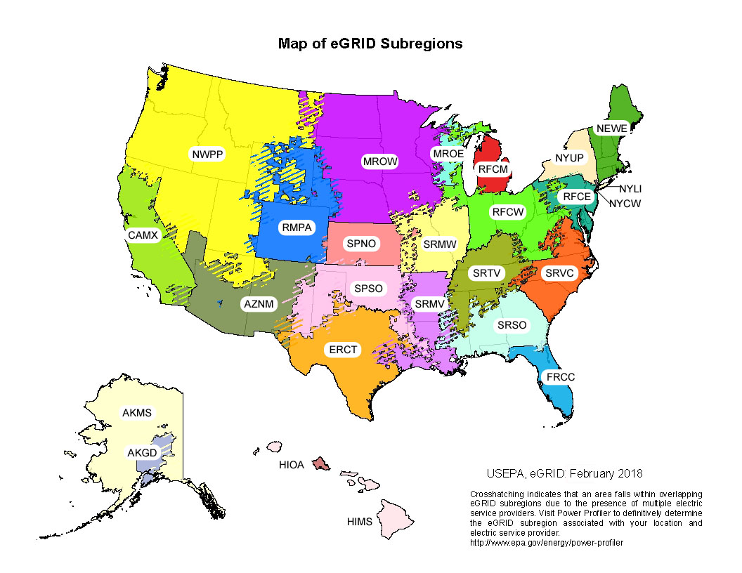

Table 7 | Steam and Heat

 |  | CO2 Factor (kg / mmBtu) | CH4 Factor (g / mmBtu) | N2O Factor (g / mmBtu)
 | Steam and Heat | 66.33 | 1.250 | 0.125
 | Note: Emission factors are per mmBtu of steam or heat purchased. These factors assume natural gas fuel is used to generate steam or heat at 80 percent thermal efficiency.

Table 8 | Business Travel and Employee Commuting

 | Vehicle Type | CO2 Factor (kg / unit) | CH4 Factor (g / unit) | N2O Factor (g / unit) | Units
 | Passenger Car A | 0.343 | 0.019 | 0.011 | vehicle-mile
...

Fuel Heat Contents
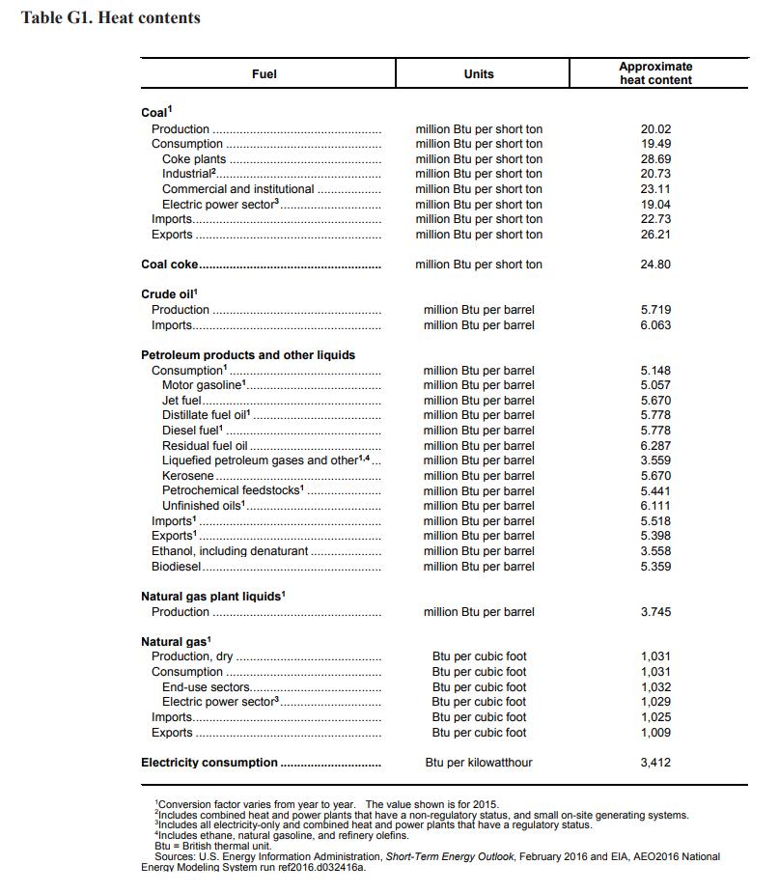
Motor gasoline (BTU per gallon) | 120405
Diesel fuel (BTU per gallon) | 137571
Natural gas (BTU per scf) | 1032
Jet fuel (BTU per gallon) | 135000
Residual fuel oil (BTU per gal) | 149690
LPG (BTU per gal) | 84738

Gallons per barrel | 42

